SUMMARY
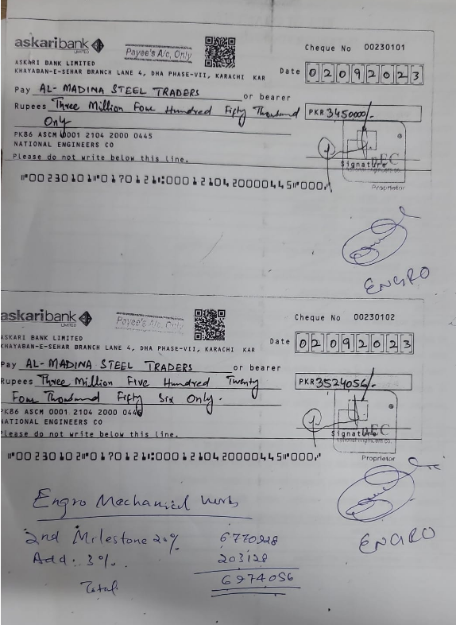
NATIONAL ENGINEERS CO.
ENGRO OFFICE, THF, KHI
SUMMARY OF AMOUNT

S.NO | DESCRIPTION | AMOUNT
 | PLUMBING
3 | 19THA FLOOR
4 | 19THB FLOOR
 | SUB-TOTAL | 0
 | HVAC
3 | 19THA FLOOR | 12,005,481
4 | 19THB FLOOR | 9,199,688
 | SUB-TOTAL | 21,205,169
 | FIRE
3 | 19THA FLOOR | 4,836,113
4 | 19THB FLOOR | 4,686,724
 | SUB-TOTAL | 9,522,837
 | GRAND TOTAL AMOUNT | 30,728,006

